Residual Risk Rating
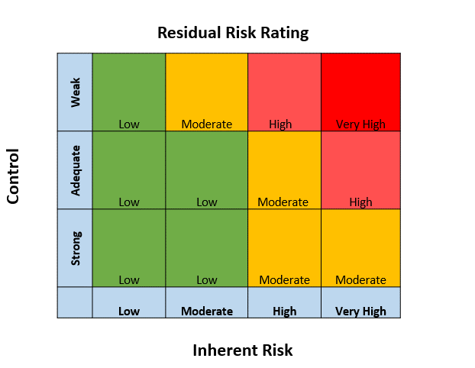
Residual Risk

